Table
 | AI |  | Compute |  | Lithium batteries |  | DNA sequencing |  | AI |  | Electricity
1.62 | 1.649 | 0 | 100 | 0 | 100 | 0.00 | 100.000 | 0.00 | 100.000 | 0 | 100
4.78 | 0.001 | 1 | 100 | 1 | 80.216650399 | 0.50 | 72.966 | 1.62 | 1.649 | 5 | 98.103137396
 |  | 2 | 35.115476039 | 2 | 63.861393255 | 1.00 | 63.222 |  |  | 10 | 77.924442228
 |  | 3 | 7.8033172754 | 3 | 72.902084964 | 1.50 | 54.700 |  |  | 15 | 46.036688553
 |  | 4 | 7.8033172754 | 4 | 68.422648511 | 2.08 | 40.468 |  |  | 20 | 38.533537553
 |  | 5 | 7.8033172754 | 5 | 57.629766032 | 2.34 | 28.739 |  |  | 25 | 24.215681818
 |  | 6 | 4.6382056927 | 6 | 49.350477675 | 2.58 | 20.250 |  |  | 30 | 18.106558442
 |  | 7 | 4.6382056927 | 7 | 39.704364603 | 2.83 | 19.643 |  |  | 34 | 16.30097586
 |  | 8 | 4.6382056927 | 8 | 30.073870034 | 3.09 | 18.010 |  |  | 35 | 16.155632184
 |  | 9 | 0.57840715826 | 9 | 29.213463725 | 3.34 | 16.991 |  |  | 36 | 15.98108453
 |  | 10 | 0.57840715826 | 10 | 20.390688398 | 3.58 | 15.561 |  |  | 37 | 15.257958533
 |  | 11 | 0.57840715826 | 11 | 14.609075995 | 3.83 | 15.382 |  |  | 38 | 14.882972237
 |  | 12 | 0.57840715826 | 12 | 11.295786316 | 4.08 | 12.988 |  |  | 39 | 15.673755981
 |  | 13 | 0.11894462989 | 13 | 10.10728212 | 4.34 | 11.767 |  |  | 40 | 16.878394161
 |  | 14 | 0.11894462989 | 14 | 8.7135380984 | 4.58 | 10.866 |  |  | 41 | 17.501874126
 |  | 15 | 0.039869035438 | 15 | 7.4623091931 | 4.83 | 10.479 |  |  | 42 | 16.394993216
 |  | 18 | 0.039869035438 | 16 | 7.120734227 | 5.08 | 9.667 |  |  | 43 | 15.073218315
 |  | 19 | 0.039869035438 | 17 | 7.4662293993 | 5.34 | 8.589 |  |  | 44 | 13.848122956
 |  | 20 | 0.014230696121 | 18 | 6.6510416135 | 5.58 | 8.158 |  |  | 45 | 12.279583333
 |  | 21 | 0.013078890528 | 19 | 5.9794450301 | 5.83 | 8.014 |  |  | 46 | 12.102359768
 |  | 22 | 0.013078890528 | 20 | 5.6958182369 | 6.08 | 6.320 |  |  | 47 | 11.861347286
 |  | 23 | 0.013078890528 | 21 | 5.8597070866 | 6.34 | 2.686 |  |  | 48 | 11.305558442
 |  | 24 | 0.0044641876916 | 22 | 5.3298723267 | 6.58 | 1.172 |  |  | 49 | 10.458763142
 |  | 25 | 0.0044641876916 | 23 | 4.7150820338 | 6.83 | 0.641 |  |  | 50 | 9.3056999442
 |  | 26 | 0.0044641876916 | 24 | 3.6040658051 | 7.09 | 0.300 |  |  | 51 | 8.5771939044
 |  | 27 | 0.0044641876916 | 25 | 2.812090469 | 7.34 | 0.204 |  |  | 52 | 8.2202169421
 |  | 29 | 0.0023236862296 | 26 | 2.0303510336 | 7.58 | 0.135 |  |  | 53 | 7.8085555556
 |  | 30 | 0.0023236862296 | 27 | 1.7046262688 | 7.83 | 0.094 |  |  | 54 | 6.8062843823
 |  | 31 | 0.0023236862296 | 28 | 1.4331889649 | 8.08 | 0.060 |  |  | 55 | 5.7113982878
 |  | 32 | 0.0023236862296 | 29 | 1.3354715355 | 8.34 | 0.040 |  |  | 56 | 5.1479969823
 |  | 33 | 0.0023236862296 | 30 | 1.2920415668 | 8.58 | 0.027 |  |  | 57 | 5.1089763178
 |  | 35 | 0.0023236862296 | 31 | 1.4331889649 | 8.83 | 0.027 |  |  | 58 | 4.9256582422
 |  | 36 | 0.00031618192757 | 32 | 1.2051816296 | 9.08 | 0.025 |  |  | 59 | 4.4547342657
 |  | 37 | 7.2772030948E-05 | 33 | 0.84688438834 | 9.34 | 0.018 |  |  | 60 | 4.3084665523
 |  | 38 | 7.2772030948E-05 |  |  | 9.58 | 0.014 |  |  | 61 | 4.2298808308
 |  | 40 | 7.2772030948E-05 |  |  | 9.83 | 0.009 |  |  | 62 | 4.1218181818
 |  | 42 | 1.2546901888E-05 |  |  | 10.08 | 0.006 |  |  | 63 | 4.0602985075
 |  | 43 | 1.2546901888E-05 |  |  | 10.34 | 0.006 |  |  | 64 | 3.939973262
 |  | 44 | 1.2546901888E-05 |  |  | 10.58 | 0.005 |  |  | 65 | 3.7551083792
 |  | 45 | 1.2546901888E-05 |  |  | 10.83 | 0.005 |  |  | 66 | 3.6083737024
 |  | 46 | 2.5093803775E-06 |  |  | 11.09 | 0.005 |  |  | 67 | 3.5410809122
 |  | 47 | 2.5093803775E-06 |  |  | 11.34 | 0.005 |  |  | 68 | 3.439490172
 |  | 48 | 4.7678227173E-07 |  |  | 11.58 | 0.004 |  |  | 69 | 3.377409547
 |  | 50 | 4.7678227173E-07 |  |  | 11.83 | 0.004 |  |  | 70 | 3.2892655027
 |  | 51 | 1.5056282265E-07 |  |  | 12.08 | 0.004 |  |  | 71 | 3.1923885918
 |  | 52 | 1.5056282265E-07 |  |  | 12.34 | 0.003 |  |  | 72 | 3.0714193548
 |  | 53 | 5.018760755E-08 |  |  | 12.58 | 0.004 |  |  | 73 | 2.9441558442
 |  | 54 | 2.5093803775E-08 |  |  | 12.83 | 0.004 |  |  | 74 | 2.7987654321
 |  | 55 | 2.5093803775E-08 |  |  | 13.08 | 0.005 |  |  | 75 | 2.6779477409
 |  | 56 | 2.5093803775E-08 |  |  | 13.34 | 0.003 |  |  | 76 | 2.5109926855
...
Technology | Date range | Unit | Compounded average/quarter | Fastest 3-year decline | Log points/quarter
Electricity | 1892–1973 | $/watt-hour | 1.2% |  | 1.2% | 54 | 1.05x/year
Lithium batteries | 1991–2024 | $/watt-hour | 3.6% | 7.6% | 3.6% | 18 | 1.16x/year
Illumination | 1800–2023 | £/lumen-hour | 0.9% | 6.7% | 0.9% | 68 | 1.04x/year
Compute | 1940–2001 | $/calculation | 9.9% | 25.1% | 10.4% | 6 | 1.51x/year
DNA sequencing | 2001–25 | $/human genome | 14.2% | 37.9% | 15.3% | 4 | 1.84x/year
LLM inference | 2023–26 | $, given benchmark score | 47.0% | 47.0% | 63.5% | 1 | 12.67x/year
Price drops expressed as compounded quarterly rates, after inflation adjustment. The fastest drop for residential electricity price is especially uncertain as it is based on rough figures for 1902 and 1907.

Year | t | LLM inference
2021.88 | 0.00 | 100
2023.50 | 1.62 | 1.649
2026.67 | 4.78 | 0.001

Electricity
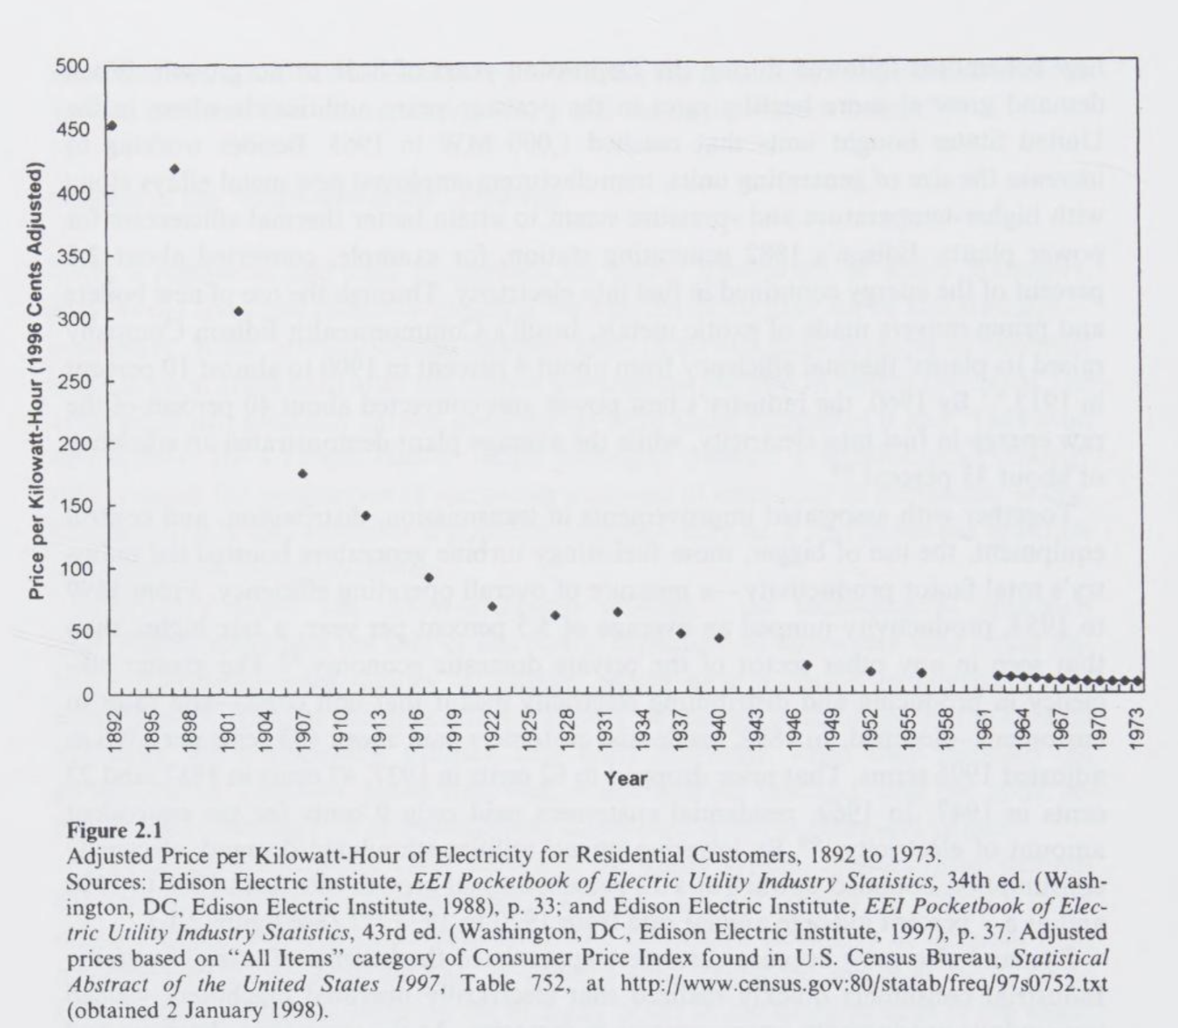
 | Hersh (1999) |  | Edison Electric Institute |  |  | Combined
Year | Nominal | Real (1982-84 $) | Year | Nominal | Real (1982-84 $) | Year | Real (9182-84 $) |  | Index
1892 | 22 | 242.61 |  |  |  | 1892 | 242.61 | 0 | 100
1892 | 242.61
1897 | 238.01
1902 | 189.05
1907 | 111.69
1912 | 93.49
1917 | 58.75
1922 | 43.93
1926 | 39.55
1927 | 39.20
1928 | 38.77
1929 | 37.02
1930 | 36.11
1931 | 38.03
1932 | 40.95
1933 | 42.46
1934 | 39.78
1935 | 36.57
1936 | 33.60
1937 | 29.79
1938 | 29.36
1939 | 28.78
1940 | 27.43
1941 | 25.37
1942 | 22.58
1943 | 20.81
1944 | 19.94
1945 | 18.94
1946 | 16.51
1947 | 13.86
1948 | 12.49
1949 | 12.39
1950 | 11.95
1951 | 10.81
1952 | 10.45
1953 | 10.26
1954 | 10.00
1955 | 9.85
1956 | 9.56
1957 | 9.11
1958 | 8.75
1959 | 8.59
1960 | 8.34
1961 | 8.19
1962 | 7.98
1963 | 7.75
1964 | 7.45
1965 | 7.14
1966 | 6.79
1967 | 6.50
1968 | 6.09
...
1897 | 19.8 | 238.01 |  |  |  | 1897 | 238.01 | 5 | 98.103137396
1902 | 16.2 | 189.05 |  |  |  | 1902 | 189.05 | 10 | 77.924442228
1907 | 10.5 | 111.69 |  |  |  | 1907 | 111.69 | 15 | 46.036688553
1912 | 9.1 | 93.49 |  |  |  | 1912 | 93.49 | 20 | 38.533537553
1917 | 7.52 | 58.75 |  |  |  | 1917 | 58.75 | 25 | 24.215681818
1922 | 7.38 | 43.93 |  |  |  | 1922 | 43.93 | 30 | 18.106558442
1927 | 6.82 | 39.20 | 1926 | 7 | 39.55 | 1926 | 39.55 | 34 | 16.30097586
1932 | 5.6 | 40.88 | 1927 | 6.82 | 39.20 | 1927 | 39.20 | 35 | 16.155632184
1937 | 4.3 | 29.86 | 1928 | 6.63 | 38.77 | 1928 | 38.77 | 36 | 15.98108453
1940 | 3.84 | 27.43 | 1929 | 6.33 | 37.02 | 1929 | 37.02 | 37 | 15.257958533
1947 | 3.09 | 13.86 | 1930 | 6.03 | 36.11 | 1930 | 36.11 | 38 | 14.882972237
1952 | 2.77 | 10.45 | 1931 | 5.78 | 38.03 | 1931 | 38.03 | 39 | 15.673755981
1956 | 2.61 | 9.60 | 1932 | 5.61 | 40.95 | 1932 | 40.95 | 40 | 16.878394161
1962 | 2.41 | 7.98 | 1933 | 5.52 | 42.46 | 1933 | 42.46 | 41 | 17.501874126
1963 | 2.37 | 7.75 | 1934 | 5.33 | 39.78 | 1934 | 39.78 | 42 | 16.394993216
1964 | 2.31 | 7.45 | 1935 | 5.01 | 36.57 | 1935 | 36.57 | 43 | 15.073218315
1965 | 2.25 | 7.14 | 1936 | 4.67 | 33.60 | 1936 | 33.60 | 44 | 13.848122956
1966 | 2.2 | 6.79 | 1937 | 4.29 | 29.79 | 1937 | 29.79 | 45 | 12.279583333
1967 | 2.17 | 6.50 | 1938 | 4.14 | 29.36 | 1938 | 29.36 | 46 | 12.102359768
1968 | 2.12 | 6.09 | 1939 | 4 | 28.78 | 1939 | 28.78 | 47 | 11.861347286
1969 | 2.09 | 5.69 | 1940 | 3.84 | 27.43 | 1940 | 27.43 | 48 | 11.305558442
1970 | 2.1 | 5.41 | 1941 | 3.73 | 25.37 | 1941 | 25.37 | 49 | 10.458763142
1971 | 2.19 | 5.41 | 1942 | 3.68 | 22.58 | 1942 | 22.58 | 50 | 9.3056999442
1972 | 2.29 | 5.48 | 1943 | 3.6 | 20.81 | 1943 | 20.81 | 51 | 8.5771939044
1973 | 2.38 | 5.36 | 1944 | 3.51 | 19.94 | 1944 | 19.94 | 52 | 8.2202169421
1974 | 2.83 | 5.74 | 1945 | 3.41 | 18.94 | 1945 | 18.94 | 53 | 7.8085555556
1975 | 3.21 | 5.97 | 1946 | 3.22 | 16.51 | 1946 | 16.51 | 54 | 6.8062843823
1976 | 3.45 | 6.06 | 1947 | 3.09 | 13.86 | 1947 | 13.86 | 55 | 5.7113982878 | Richard Hersh, Power loss : the origins of deregulation and restructuring in the American electric utility system
1977 | 3.78 | 6.24 | 1948 | 3.01 | 12.49 | 1948 | 12.49 | 56 | 5.1479969823 | https://archive.org/details/powerlossorigins0000hirs/page/48/mode/2up
1978 | 4.03 | 6.18 | 1949 | 2.95 | 12.39 | 1949 | 12.39 | 57 | 5.1089763178 | Nominal prices received from Richard Hersh, Virginia Tech, September 11, 2026.
1979 | 4.43 | 6.10 | 1950 | 2.88 | 11.95 | 1950 | 11.95 | 58 | 4.9256582422
1980 | 5.12 | 6.21 | 1951 | 2.81 | 10.81 | 1951 | 10.81 | 59 | 4.4547342657
1981 | 5.86 | 6.45 | 1952 | 2.77 | 10.45 | 1952 | 10.45 | 60 | 4.3084665523
1982 | 6.44 | 6.67 | 1953 | 2.74 | 10.26 | 1953 | 10.26 | 61 | 4.2298808308
1983 | 6.83 | 6.86 | 1954 | 2.69 | 10.00 | 1954 | 10.00 | 62 | 4.1218181818
1984 | 7.17 | 6.90 | 1955 | 2.64 | 9.85 | 1955 | 9.85 | 63 | 4.0602985075
1985 | 7.39 | 6.87 | 1956 | 2.6 | 9.56 | 1956 | 9.56 | 64 | 3.939973262
1986 | 7.43 | 6.78 | 1957 | 2.56 | 9.11 | 1957 | 9.11 | 65 | 3.7551083792
1987 | 7.45 | 6.56 | 1958 | 2.53 | 8.75 | 1958 | 8.75 | 66 | 3.6083737024
1988 | 7.49 | 6.33 | 1959 | 2.5 | 8.59 | 1959 | 8.59 | 67 | 3.5410809122
1989 | 7.65 | 6.17 | 1960 | 2.47 | 8.34 | 1960 | 8.34 | 68 | 3.439490172
1990 | 7.83 | 5.99 | 1961 | 2.45 | 8.19 | 1961 | 8.19 | 69 | 3.377409547
1991 | 8.05 | 5.91 | 1962 | 2.41 | 7.98 | 1962 | 7.98 | 70 | 3.2892655027
1992 | 8.22 | 5.86 | 1963 | 2.37 | 7.75 | 1963 | 7.75 | 71 | 3.1923885918
1993 | 8.29 | 5.74 | 1964 | 2.31 | 7.45 | 1964 | 7.45 | 72 | 3.0714193548
1994 | 8.38 | 5.65 | 1965 | 2.25 | 7.14 | 1965 | 7.14 | 73 | 2.9441558442
1995 | 8.4 | 5.51 | 1966 | 2.2 | 6.79 | 1966 | 6.79 | 74 | 2.7987654321
1996 | 8.36 | 5.33 | 1967 | 2.17 | 6.50 | 1967 | 6.50 | 75 | 2.6779477409
1997 | 8.43 | 5.25 | 1968 | 2.12 | 6.09 | 1968 | 6.09 | 76 | 2.5109926855
1998 | 8.26 | 5.07 | 1969 | 2.09 | 5.69 | 1969 | 5.69 | 77 | 2.3473024523
1999 | 8.16 | 4.90 | 1970 | 2.1 | 5.41 | 1970 | 5.41 | 78 | 2.2308809747
2000 | 8.24 | 4.79 | 1971 | 2.19 | 5.41 | 1971 | 5.41 | 79 | 2.2288350168
2001 | 8.62 | 4.87 | 1972 | 2.29 | 5.48 | 1972 | 5.48 | 80 | 2.2581252719
2002 | 8.46 | 4.70 | 1973 | 2.38 | 5.36 | 1973 | 5.36 | 81 | 2.2094430794
2003 | 8.7 | 4.73
2004 | 8.95 | #N/A
2005 | 9.45 | #N/A
2006 | 10.4 | #N/A
2007 | 10.65 | #N/A
2008 | 11.26 | #N/A
2009 | 11.51 | #N/A
2010 | 11.54 | #N/A
2011 | 11.72 | #N/A
2012 | 11.88 | #N/A
2013 | 12.13 | #N/A
2014 | 12.52 | #N/A
2015 | 12.65 | #N/A
2016 | 12.55 | #N/A
2017 | 12.89 | #N/A
2018 | 12.87 | #N/A
2019 | 13.01 | #N/A
2020 | 13.15 | #N/A
2021 | 13.66 | #N/A
2022 | 15.04 | #N/A
2023 | 16 | #N/A
2024 | 16.48 | #N/A
2025 | 17.3 | #N/A

